Sheet2
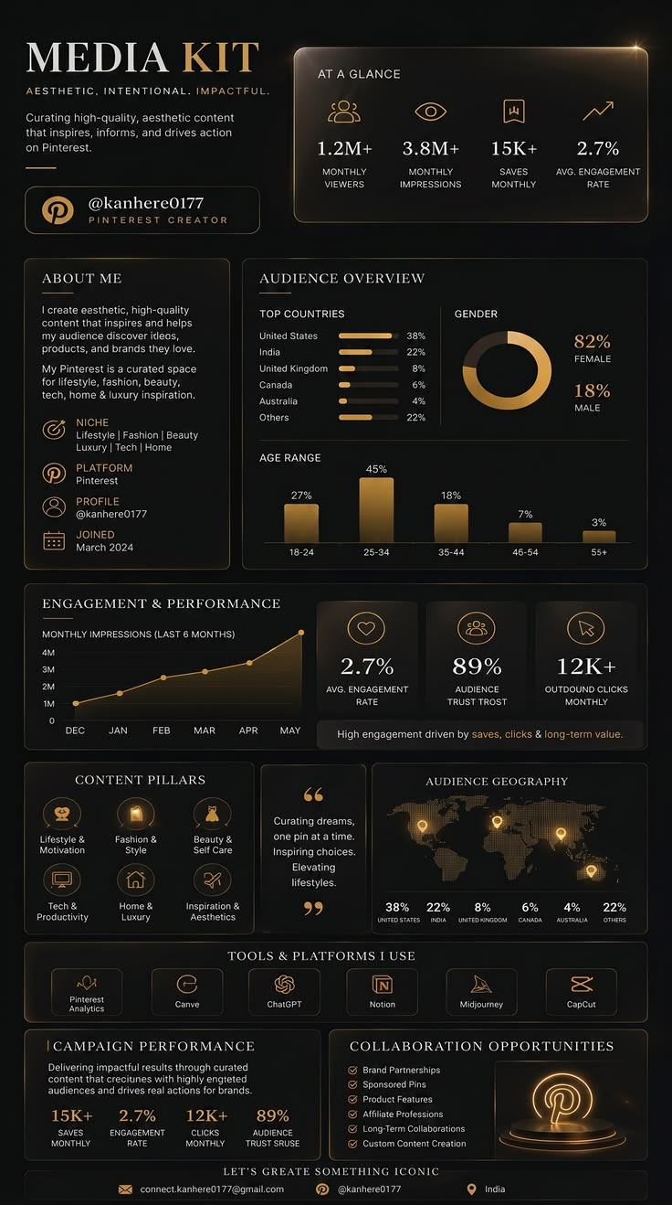


Department Employee Count
 | Total
HR | 342
Marketing | 341
Sales | 340
Finance | 333
IT | 333
Operations | 311
Gender Distribution
 | Total
Female | 1000
Male | 1000
City Employee Count
 | Total
Bangalore | 305
Pune | 324
Mumbai | 334
Hyderabad | 340
Nagpur | 346
Delhi | 351
Average Salary byDepartment
 | Total
HR | 70K
IT | 71K
Sales | 72K
Operations | 74K
Marketing | 75K
Finance | 75K
Employees Joining Trend
 | Total
Jan | 188
Feb | 156
Mar | 179
Apr | 178
May | 176
Jun | 144
Jul | 146
Aug | 195
Sep | 165
Oct | 167
Nov | 147
Dec | 159
Female Employess
Total Employees
Male Employees
Average Experience
Highest Salary
Average Salary
HR Workforce Analytics Dashboard
2000
72,775
120K
8.1 Yrs
1000
1000
7-06-2026

